Drewry
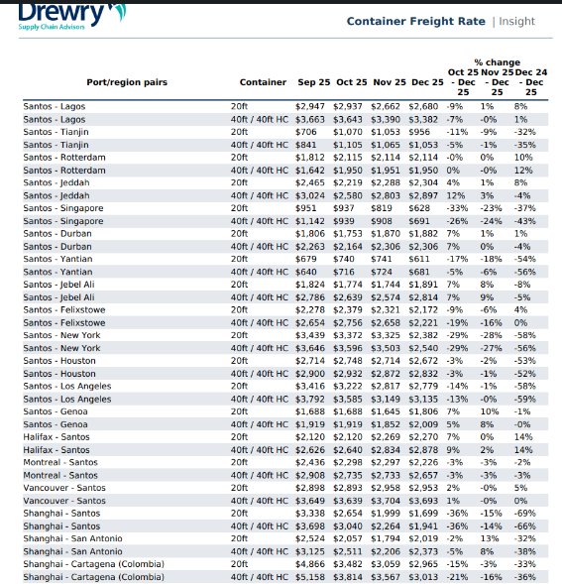
 |  |  |  |  |  |  |  |  |  |  |  |  |  |  |  |  |  |  |  |  |  |  |  |  |  |  |  |  |  |  |  |  |  |  |  |  |  |  |  |  |  |  |  |  |  |  |  |  |  |  |  |  | 137 | 76 | 65 | 40 | 7
 | Jul-21 | Aug-21 | Sep-21 | Oct-21 | Nov-21 | Dec-21 | Jan-22 | Feb-22 | Mar-22 | Apr-22 | May-22 | Jun-22 | Jul-22 | Aug-22 | Sep-22 | Oct-22 | Nov-22 | Dec-22 | Jan-23 | Feb-23 | Mar-23 | Apr-23 | May-23 | Jun-23 | Jul-23 | Aug-23 | Sep-23 | Oct-23 | Nov-23 | Dec-23 | Jan-24 | Feb-24 | Mar-24 | Apr-24 | May-24 | Jun-24 | Jul-24 | Aug-24 | Sep-24 | Oct-24 | Nov-24 | Dec-24 | Jan-25 | Feb-25 | Mar-25 | Apr-25 | May-25 | Jun-25 | Jul-25 | Aug-25 | Sep-25 | Oct-25 | Nov-25 | Dec-25 | Jan-26 | Feb-26 | Mar-26 | Apr
Drewry Shanghai-CTG | 350 | 386 | 495 | 539 | 577 | 577 | 577 | 577 | 577 | 577 | 550 | 480 | 481 | 496 | 496 | 484 | 407 | 276 | 220 | 220 | 122 | 114 | 90 | 123 | 143 | 131 | 124 | 153 | 149 | 129 | 147 | 163 | 167 | 166 | 195 | 275 | 390 | 421 | 322 | 343 | 266 | 261 | 214 | 214 | 206 | 162 | 168 | 146 | 149 | 360 | 260 | 250 | 234 | 173 | 162 | 137 | 104 | 134
Contenedor | 7,700 | 8,500 | 10,890 | 11,850 | 12,700 | 12,700 | 12,700 | 12,700 | 12,700 | 12,700 | 12,090 | 10,570 | 10,580 | 10,920 | 10,920 | 10,640 | 8,950 | 6,070 | 4,850 | 4,850 | 2,690 | 2,510 | 1,980 | 2,700 | 3,153 | 2,873 | 2,722 | 3,369 | 3,269 | 2,848 | 3,226 | 3,584 | 3,670 | 3,649 | 4,294 | 6,049 | 8,585 | 9,257 | 7,086 | 7,536 | 5,849 | 5,742 | 4,700 | 4,700 | 4,538 | 3,569 | 3,685 | 3,215 | 3,268 | 7,924 | 5,721 | 5,508 | 5,158 | 3,814 | 3,567 | 3,013 | 2,279 | 2,953
 |  |  |  |  |  |  |  |  |  |  |  |  |  |  |  |  |  |  |  |  |  |  |  |  |  |  |  |  |  |  |  |  |  | 1% | -15% | -29% | -30% | -7% | 31% | -6% | 29% | 2% | 22% | 0% | 4% | 27% | -3% | 15% | -2% | -59% | 39% | 4% | 7% | 35% | 7% | 18% | 32% | 3,890

Amcor - Columbia
S.No | Supplier Name | Excel | Sheet Reference | Route | Description | Month | Price
1 | Bavaria | 1 Bavaria - Precio Marzo | Fórmula Marzo 26 | China to columbia | Precio Final con ajuste flete Resina | March | 1099.86

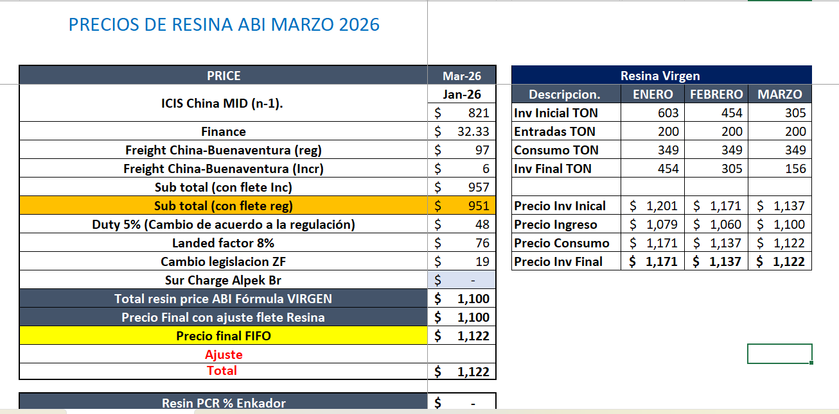
 |  |  |  |  |  |  |  |  | Country X Supplier
 |  |  |  |  |  | 1 Bavaria - Precio Marzo |  |  | Historical | Available
 |  |  |  |  | Formuale Sheet | Supplier Sheet | Formulae | Source
 |  |  |  |  | Resin cost:Quarterly Resin index average price | ICIS Index - Quaret | 821 | ICIS
 |  |  |  |  | Resin freight cost | Freight China–Buenaventura | 97 | Drewery Index
 |  |  |  |  | Resin financing cost (Assumption based on rPET formula) | Finance | 32.33
 |  |  |  |  | Sub total (con flete reg ) | vPET Resin pricing | 950

 |  |  |  |  | Is Sub total (con flete reg ) the Total Landing cost

 |  |  |  |  | Doubts

 |  |  |  |  | what is Aurora , Enkador , Enka ? | Why are they not present in the supplier sheets ?
 |  |  |  |  | What are the prices below Sub Total ? Which is used as the final price for TLC ?
 |  |  |  |  | From where is the 97 freight referred ?

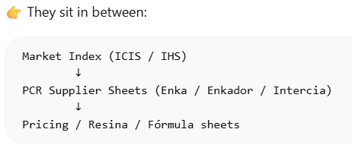
 |  |  |  |  | Sheet Names :
 |  |  |  |  | 1. Fórmula Marzo 26 | TLC formulae considered for the calculation
 |  |  |  |  | 2. Fórmula Ago | TLC formulae sheet for different time frame
 |  |  |  |  | 3. PCR Aurora | Need more understanding of this sheet
 |  |  |  |  | 4. PCR Enkador | Need more understanding of this sheet
 |  |  |  |  | 5. PCR Enka | This sheet is used for the Legilation charges cost , but need more understanding of this sheet
 |  |  |  |  | 6. PCR INTERCIA | Need more understanding of this sheet
 |  |  |  |  | 7. ICIS PCR | Market Data Providers for Index calculation --- > Flows into ICIS - 1
 |  |  |  |  | 8. IHS PCR | Market Data Providers for Index calculation --- > Flows into ICIS - 1
 |  |  |  |  | 9. IHS Index | Has Index data -- Need why is this sheet used ?
 |  |  |  |  | 10. ICIS -1 | Used for the TLC calculation Resin Index
 |  |  |  |  | 11. SOFR | Used for the TLC calculation
 |  |  |  |  | 12. Drewry | Used for the TLC calculation
 |  |  |  |  | 13. FIFO | Need more understanding of this sheet
 |  |  |  |  | 14. Cambio en Condiciones ZF | Used for the TLC calculation
 |  |  |  |  | 15. Soportes | Need more understanding of this sheet
 |  |  |  |  | 16. Balance | Need more understanding of this sheet

Fórmula Marzo 26
 | FÓRMULA

 | PRECIOS DE RESINA ABI MARZO 2026
 |  |  |  |  |  |  |  |  |  |  |  |  |  |  |  |  |  |  |  |  |  |  |  |  |  |  |  |  |  |  |  |  |  |  |  |  |  |  |  |  |  |  |  |  |  |  |  |  |  |  |  |  |  |  |  |  |  |  |  |  |  |  |  |  |  |  |  |  |  |  |  |  |  |  |  |  |  |  |  |  |  |  |  |  |  |  |  |  |  |  |  | 137 | 76 | 65 | 40 | 7 |  |  | 1. couldn’t figure out the formula here. If its colombia why is it not quarterly
 |  |  |  |  |  |  |  |  |  |  |  |  |  |  |  |  |  |  |  |  |  |  |  |  |  |  |  |  | Fórmula
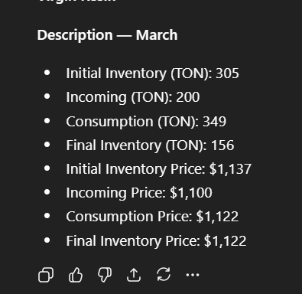
Translation | PRICE | Jul-18 | Ago-2018 | Sep-18 | Oct-18 | Nov-18 | Dic-18 | Ene-19 | Feb-19 | Mar-19 | Abr-19 | May-19 | Jun-19 | Jul-19 | Ago-19 | Sep-19 | Oct-19 | Nov-20 | Dic-20 | Ene-20 | Feb-20 | Mar-20 | Abr-20 | May-20 | Jun-20 | Jun-20 | Jul-20 | Jul-20 | Ago-20 | Ago-20 | Sep-20 | Oct-20 | Nov-20 | Dic-20 | Ene-21 | Feb-21 | Mar-21 | Abr-21 | May-21 | Jun-21 | Jul-21 | Ago-21 | Sep-21 | Oct-21 | Nov-21 | Dic-21 | Ene-22 | Feb-22 | Mar-22 | Abr-22 | Mayo-22 | Junio-22 | Julio-22 | Agosto-22 | Septiembre-22 | Octubre-22 | Noviembre-22 | Diciembre-22 | Enero-23 | Febrero-23 | Marzo-23 | Abril-23 | Mayo-23 | Junio-23 | Julio-23 | Agosto-23 | Septiembre-23 | Octubre-23 | Noviembre-23 | Diciembre-23 | Enero-24 | Febrero-24 | Marzo-24 | Abril-24 | Mayo-24 | Junio-24 | Julio-24 | Agosto-24 | Septiembre-24 | Octubre-24 | Noviembre-24 | Diciembre-24 | Enero-25 | Febrero-25 | Marzo-25 | Abril-25 | Mayo-25 | Junio-25 | Julio-25 | Agosto-25 | Septie-25 | Oct-25 | Nov-25 | Dic-25 | Ene-26 | Feb-26 | Mar-26 |  | Resina Virgen
Resin Price Index | ICIS China MID (n-1). | May-18 | Jun-18 | Jul-18 | Ago-18 | Sep-18 | Oct-18 | Nov-18 | Dic-18 | Jan-19 | Feb-19 | Mar-19 | Abr-19 | May-19 | Jun-19 | Jul-19 | Ago-19 | Sep-19 | Oct-19 | Nov-19 | Dic-19 | Jan-20 | Feb-20 | Mar-20 | Abr-20 | Abr-20 | May-20 | May-20 | Jun-20 | Jun-20 | Jul-20 | Ago-20 | Sep-20 | Oct-20 | Nov-20 | Dic-20 | Jan-21 | Feb-21 | Mar-21 | Apr-21 | May-21 | Jun-21 | Jul-21 | Aug-21 | Sep-21 | Sep-21 | Nov-21 | Dec-21 | Jan-22 | Feb-22 | Mar-22 | Apr-22 | May-22 | Jun-22 | Jul-22 | Aug-22 | Sep-22 | Oct-22 | Nov-22 | Dec-22 | Jan-23 | Feb-23 | Mar-23 | Apr-23 | May-23 | Jun-23 | Jul-23 | Aug-23 | Sep-23 | Oct-23 | Nov-23 | Dec-23 | Jan-23 | Feb-23 | Mar-23 | Apr-23 | May-23 | Jun-23 | Jul-23 | Aug-23 | Sep-24 | Oct-24 | Nov-24 | Dec-24 | Jan-25 | Feb-25 | Mar-25 | Apr-25 | May-25 | Jun-25 | Jul-25 | Aug-25 | Sep-25 | Oct-25 | Nov-25 | Dec-25 | Jan-26 |  | Descripcion. | MARZO
 |  | $ 1,330 | $ 1,280 | $ 1,279 | $ 1,276 | $ 1,330 | $ 1,266 | $ 1,125 | $ 1,058 | $ 1,035 | $ 1,078 | $ 1,096 | $ 1,101 | $ 1,005 | $ 926 | $ 967 | $ 889 | $ 869 | $ 840 | $ 819 | $ 824 | $ 840 | $ 840 | $ 737 | $ 655 | $ 707 | $ 669 | $ 687 | $ 678 | $ 683 | $ 659 | $ 648 | $ 649 | $ 642 | $ 648 | $ 713 | $ 789 | $ 881 | $ 1,019 | $ 960 | $ 933 | $ 920 | $ 960 | $ 966 | $ 953 | $ 1,112 | $ 1,124 | $ 1,027 | $ 1,144 | $ 1,138 | $ 1,139 | $ 1,199 | $ 1,216 | $ 1,235 | $ 1,125 | $ 1,096 | $ 1,048 | $ 976 | $ 898 | $ 890 | $ 942 | $ 965 | $ 980 | $ 1,019 | $ 938 | $ 882 | $ 879 | $ 889 | $ 899 | $ 880 | $ 865 | $ 863 | $ 889 | $ 907 | $ 907 | $ 898 | $ 885 | $ 886 | $ 896 | $ 874 | $ 815 | $ 842 | $ 803 | $ 791 | $ 800 | $ 803 | $ 786 | $ 746 | $ 775 | $ 793 | $ 782 | $ 774 | $ 765 | $ 752 | $ 749 | $ 756 | $ 821 |  | Inv Inicial TON | 305
Finance | Finance | $ 34 | $ 33 | $ 33 | $ 33 | $ 34 | $ 33 | $ 29.13 | $ 37 | $ 36 | $ 38 | $ 38 | $ 39 | $ 35 | $ 32 | $ 34 | $ 31 | $ 30 | $ 29 | $ 38 | $ 38 | $ 39 | $ 39 | $ 34 | $ 30 | $ 33 | $ 31 | $ 32 | $ 31 | $ 31 | $ 30 | $ 30 | $ 30 | $ 29 | $ 30 | $ 33 | $ 36 | $ 40 | $ 47 | $ 44 | $ 24.53 | $ 24.53 | $ 25.25 | $ 25.25 | $ 25.07 | $ 18.01 | $ 20.07 | $ 27.00 | $ 20.00 | $ 20.00 | $ 20.00 | $ 21.00 | $ 31.99 | $ 32.49 | $ 29.59 | $ 28.84 | $ 27.57 | $ 25.66 | $ 41.04 | $ 40.69 | $ 48.65 | $ 49.34 | $ 49.26 | $ 52.19 | $ 49.10 | $ 45.97 | $ 45.51 | $ 47.31 | $ 47.55 | $ 45.83 | $ 35.37 | $ 35.88 | $ 36.80 | $ 37.50 | $ 37.50 | $ 52.33 | $ 56.88 | $ 58.27 | $ 54.34 | $ 54.26 | $ 48.21 | $ 49.20 | $ 35.53 | $ 35.14 | $ 35.17 | $ 33.76 | $ 33.35 | $ 31.18 | $ 32.29 | $ 40.33 | $ 36.43 | $ 35.82 | $ 34.95 | $ 32.36 | $ 31.85 | $ 31.23 | $ 32.33 |  | Entradas TON | 200
Freight China-Buenaventura (Regular) | Freight China-Buenaventura (reg) | $ 90 | $ 90 | $ 90 | $ 90 | $ 90 | $ 90 | $ 90 | $ 90 | $ 90 | $ 90 | $ 90 | $ 90 | $ 90 | $ 90 | $ 90 | $ 90 | $ 90 | $ 91 | $ 93 | $ 94 | $ 96 | $ 96 | $ 96 | $ 96 | $ 96 | $ 96 | $ 96 | $ 96 | $ 96 | $ 96 | $ 96 | $ 96 | $ 96 | $ 96 | $ 96 | $ 96 | $ 96 | $ 96 | $ 96 | $ 96 | $ 96 | $ 96 | $ 96 | $ 96 | $ 96 | $ 96 | $ 97 | $ 97 | $ 97 | $ 97 | $ 97 | $ 97 | $ 97 | $ 97 | $ 97 | $ 97 | $ 97 | $ 97 | $ 97 | $ 97 | $ 97 | $ 97 | $ 97 | $ 97 | $ 97 | $ 97 | $ 97 | $ 97 | $ 97 | $ 97 | $ 97 | $ 97 | $ 97 | $ 97 | $ 97 | $ 97 | $ 97 | $ 97 | $ 97 | $ 97 | $ 97 | $ 97 | $ 97 | $ 97 | $ 97 | $ 97 | $ 97 | $ 97 | $ 97 | $ 97 | $ 97 | $ 97 | $ 97 | $ 97 | $ 97 | $ 97 |  | Consumo TON | 349
Freight China-Buenaventura (Incremental) | Freight China-Buenaventura (Incr) |  |  |  |  |  |  |  |  |  |  |  |  |  |  |  |  |  |  |  |  |  |  |  |  |  |  |  |  |  |  |  |  |  |  |  |  |  |  |  | $ 254 | $ 290 | $ 399 | $ 442 | $ 481 | $ 481 | $ 481 | $ 480 | $ 480 | $ 480 | $ 452 | $ 383 | $ 384 | $ 399 | $ 399 | $ 386 | $ 310 | $ 179 | $ 123 | $ 123 | $ 25 | $ 17 | $ - | $ 25 | $ 46 | $ 33 | $ 26 | $ 56 | $ 51 | $ 32 | $ 49 | $ 66 | $ 66 | $ 69 | $ 69 | $ 178 | $ 293 | $ 323 | $ 225 | $ 245 | $ 169 | $ 164 | $ 116 | $ 116 | $ 109 | $ 65 | $ 70 | $ 49 | $ 51 | $ 263 | $ 163 | $ 153 | $ 137 | $ 76 | $ 65 | $ 40 | $ 6 |  | Inv Final TON | 156
Sub Total (with Incremental Freight) | Sub total (con flete Inc) | $ 1,454 | $ 1,403 | $ 1,403 | $ 1,399 | $ 1,454 | $ 1,389 | $ 1,244 | $ 1,185 | $ 1,161 | $ 1,205 | $ 1,225 | $ 1,230 | $ 1,130 | $ 1,049 | $ 1,091 | $ 1,010 | $ 989 | $ 960 | $ 949 | $ 957 | $ 975 | $ 975 | $ 867 | $ 781 | $ 836 | $ 796 | $ 815 | $ 806 | $ 810 | $ 786 | $ 774 | $ 776 | $ 767 | $ 774 | $ 842 | $ 922 | $ 1,017 | $ 1,162 | $ 1,100 | $ 1,307 | $ 1,331 | $ 1,480 | $ 1,530 | $ 1,555 | $ 1,707 | $ 1,722 | $ 1,631 | $ 1,741 | $ 1,736 | $ 1,709 | $ 1,701 | $ 1,729 | $ 1,764 | $ 1,651 | $ 1,609 | $ 1,482 | $ 1,277 | $ 1,159 | $ 1,151 | $ 1,113 | $ 1,128 | $ 1,127 | $ 1,194 | $ 1,131 | $ 1,059 | $ 1,048 | $ 1,089 | $ 1,095 | $ 1,055 | $ 1,047 | $ 1,062 | $ 1,089 | $ 1,110 | $ 1,110 | $ 1,225 | $ 1,332 | $ 1,365 | $ 1,273 | $ 1,271 | $ 1,129 | $ 1,152 | $ 1,052 | $ 1,040 | $ 1,041 | $ 999 | $ 987 | $ 923 | $ 956 | $ 1,194 | $ 1,078 | $ 1,060 | $ 1,034 | $ 958 | $ 943 | $ 924 | $ 957
Sub Total (with Regular Freight) | Sub total (con flete reg) |  |  |  |  |  |  |  |  |  |  |  |  |  |  |  |  |  |  |  |  |  |  |  |  |  |  |  |  |  |  |  |  |  |  |  |  |  |  |  | $ 1,053 | $ 1,041 | $ 1,082 | $ 1,088 | $ 1,074 | $ 1,226 | $ 1,241 | $ 1,151 | $ 1,261 | $ 1,256 | $ 1,257 | $ 1,317 | $ 1,346 | $ 1,365 | $ 1,252 | $ 1,222 | $ 1,173 | $ 1,099 | $ 1,036 | $ 1,028 | $ 1,088 | $ 1,112 | $ 1,127 | $ 1,168 | $ 1,085 | $ 1,025 | $ 1,022 | $ 1,034 | $ 1,044 | $ 1,023 | $ 998 | $ 996 | $ 1,023 | $ 1,041 | $ 1,041 | $ 1,048 | $ 1,039 | $ 1,041 | $ 1,048 | $ 1,026 | $ 960 | $ 988 | $ 935 | $ 924 | $ 932 | $ 934 | $ 917 | $ 874 | $ 905 | $ 931 | $ 916 | $ 907 | $ 897 | $ 882 | $ 878 | $ 885 | $ 951 |  | Precio Inv Inical | $ 1,137
Duty 5% (Change According to Regulation) | Duty 5% (Cambio de acuerdo a la regulación) | $ 145 | $ 140 | $ 140 | $ 140 | $ 145 | $ 139 | $ 124 | $ 119 | $ 116 | $ 121 | $ 122 | $ 123 | $ 113 | $ 105 | $ 109 | $ 101 | $ 99 | $ 96 | $ 95 | $ 96 | $ 97 | $ 97 | $ 87 | $ 78 | $ 84 | $ 80 | $ 82 | $ 81 | $ 81 | $ 79 | $ 77 | $ 78 | $ 77 | $ 77 | $ 84 | $ 92 | $ 102 | $ 116 | $ 110 | $ 131 | $ 133 | $ 148 | $ 77 | $ 78 | $ 85 | $ 86 | $ 82 | $ 87 | $ 87 | $ 85 | $ 85 | $ 86 | $ 88 | $ 83 | $ 80 | $ 74 | $ 64 | $ 58 | $ 58 | $ 56 | $ 56 | $ 56 | $ 60 | $ 57 | $ 53 | $ 52 | $ 54 | $ 55 | $ 53 | $ 52 | $ 53 | $ 54 | $ 55 | $ 55 | $ 61 | $ 67 | $ 68 | $ 64 | $ 64 | $ 56 | $ 58 | $ 53 | $ 52 | $ 52 | $ 50 | $ 49 | $ 46 | $ 48 | $ 60 | $ 54 | $ 53 | $ 52 | $ 48 | $ 47 | $ 46 | $ 48 |  | Precio Ingreso | $ 1,100
Landed Factor 8% | Landed factor 8% | $ 116 | $ 112 | $ 112 | $ 112 | $ 116 | $ 111 | $ 100 | $ 95 | $ 93 | $ 96 | $ 98 | $ 98 | $ 90 | $ 84 | $ 87 | $ 81 | $ 79 | $ 77 | $ 76 | $ 77 | $ 78 | $ 78 | $ 69 | $ 63 | $ 67 | $ 64 | $ 65 | $ 64 | $ 65 | $ 63 | $ 62 | $ 62 | $ 61 | $ 62 | $ 67 | $ 74 | $ 81 | $ 93 | $ 88 | $ 84 | $ 83 | $ 87 | $ 87 | $ 86 | $ 98 | $ 99 | $ 92 | $ 101 | $ 100 | $ 101 | $ 105 | $ 108 | $ 109 | $ 100 | $ 98 | $ 94 | $ 88 | $ 83 | $ 82 | $ 87 | $ 89 | $ 90 | $ 93 | $ 87 | $ 82 | $ 82 | $ 83 | $ 83 | $ 82 | $ 80 | $ 80 | $ 82 | $ 83 | $ 83 | $ 84 | $ 83 | $ 83 | $ 84 | $ 82 | $ 77 | $ 79 | $ 75 | $ 74 | $ 75 | $ 75 | $ 73 | $ 70 | $ 72 | $ 74 | $ 73 | $ 73 | $ 72 | $ 71 | $ 70 | $ 71 | $ 76 |  | Precio Consumo | $ 1,122
ZF Legislation Change | Cambio legislacion ZF |  |  |  |  |  |  |  |  |  |  |  |  |  |  |  |  |  |  |  |  |  |  |  |  |  |  |  |  |  |  |  |  |  |  |  |  |  |  |  |  |  |  |  |  |  |  |  |  |  |  |  |  |  |  |  |  |  |  |  |  |  |  |  |  |  |  |  |  |  |  | $ 19 | $ 19 | $ 19 | $ 19 | $ 19 | $ 19 | $ 19 | $ 19 | $ 19 | $ 19 | $ 19 | $ 19 | $ 19 | $ 19 | $ 19 | $ 19 | $ 19 | $ 19 | $ 19 | $ 19 | $ 19 | $ 19 | $ 19 | $ 19 | $ 19 | $ 19 |  | Precio Inv Final | $ 1,122
Sur Charge Alpek Br | Sur Charge Alpek Br |  |  |  |  |  |  |  |  |  |  |  |  |  |  |  |  |  |  |  |  |  |  |  |  |  |  |  |  |  |  |  |  |  |  |  |  |  |  |  |  |  |  |  |  |  |  |  |  |  |  |  |  |  |  |  |  |  |  |  |  |  |  |  |  |  |  |  |  |  |  |  |  |  |  |  |  |  |  |  |  |  |  |  |  |  |  | $ 135 | $ 135 | $ 135 | $ - | $ - | $ - | $ - | $ - | $ - | $ -
Total Resin Price ABI VIRGIN Formula | Total resin price ABI Fórmula VIRGEN | $ 1,716 | $ 1,656 | $ 1,655 | $ 1,650 | $ 1,716 | $ 1,639 | $ 1,468 | $ 1,399 | $ 1,370 | $ 1,422 | $ 1,445 | $ 1,451 | $ 1,333 | $ 1,237 | $ 1,287 | $ 1,192 | $ 1,167 | $ 1,133 | $ 1,120 | $ 1,129 | $ 1,150 | $ 1,150 | $ 1,023 | $ 922 | $ 986 | $ 940 | $ 962 | $ 951 | $ 956 | $ 927 | $ 913 | $ 915 | $ 905 | $ 914 | $ 994 | $ 1,088 | $ 1,201 | $ 1,371 | $ 1,298 | $ 1,522 | $ 1,547 | $ 1,715 | $ 1,694 | $ 1,719 | $ 1,891 | $ 1,907 | $ 1,804 | $ 1,929 | $ 1,923 | $ 1,895 | $ 1,891 | $ 1,923 | $ 1,961 | $ 1,834 | $ 1,787 | $ 1,650 | $ 1,429 | $ 1,300 | $ 1,291 | $ 1,255 | $ 1,274 | $ 1,273 | $ 1,347 | $ 1,274 | $ 1,194 | $ 1,182 | $ 1,227 | $ 1,233 | $ 1,190 | $ 1,179 | $ 1,214 | $ 1,244 | $ 1,268 | $ 1,268 | $ 1,389 | $ 1,501 | $ 1,535 | $ 1,439 | $ 1,435 | $ 1,281 | $ 1,308 | $ 1,198 | $ 1,185 | $ 1,187 | $ 1,143 | $ 1,129 | $ 1,193 | $ 1,230 | $ 1,482 | $ 1,224 | $ 1,205 | $ 1,177 | $ 1,095 | $ 1,079 | $ 1,060 | $ 1,100
Final Price with Resin Freight Adjustment | Precio Final con ajuste flete Resina |  |  |  |  |  |  |  |  |  |  |  |  |  |  |  |  |  |  |  |  |  |  |  |  |  |  |  |  |  |  |  |  |  | #REF! | #REF! | #REF! | #REF! | #REF! | #REF! | #REF! | #REF! | #REF! | $ 1,694 | $ 1,719 | $ 1,891 | $ 1,907 | $ 1,804 | $ 1,929 | $ 1,923 | $ 1,895 | $ 1,891 | $ 1,923 | $ 1,961 | $ 1,834 | $ 1,787 | $ 1,650 | $ 1,429 | $ 1,300 | $ 1,291 | $ 1,255 | $ 1,274 | $ 1,273 | $ 1,347 | $ 1,274 | $ 1,194 | $ 1,182 | $ 1,227 | $ 1,233 | $ 1,190 | $ 1,179 | $ 1,214 | $ 1,244 | $ 1,268 | $ 1,268 | $ 1,389 | $ 1,501 | $ 1,535 | $ 1,439 | $ 1,435 | $ 1,281 | $ 1,308 | $ 1,198 | $ 1,185 | $ 1,187 | $ 1,143 | $ 1,129 | $ 1,193 | $ 1,230 | $ 1,482 | $ 1,224 | $ 1,205 | $ 1,177 | $ 1,095 | $ 1,079 | $ 1,060 | $ 1,100 |  | 2.which pricing is used as final (do we need to calculate the consumption values as well) ? Assuming its vpet (1100)
Final Price FIFO | Precio final FIFO |  |  |  |  |  |  |  |  |  |  |  |  |  |  |  |  |  |  |  |  |  |  |  |  |  |  |  |  |  |  |  |  |  | #REF! | #REF! | #REF! | #REF! | #REF! | #REF! | #REF! | #REF! | #REF! | #REF! | #REF! | $ 1,781 | $ 1,845 | #REF! | $ 1,880 | #REF! | #REF! | #REF! | #REF! | #REF! | #REF! | #REF! | #REF! | #REF! | #REF! | #REF! | #REF! | #REF! | $ 1,267 | $ 1,304 | $ 1,299 | $ 1,255 | $ 1,216 | $ 1,221 | $ 1,226 | $ 1,209 | $ 1,194 | $ 1,203 | $ 1,203 | $ 1,226 | $ 1,226 | $ 1,317 | $ 1,420 | $ 1,510 | $ 1,469 | $ 1,441 | $ 1,364 | $ 1,332 | $ 1,304 | $ 1,212 | $ 1,202 | $ 1,179 | $ 1,160 | $ 1,170 | $ 1,188 | $ 1,364 | $ 1,287 | $ 1,250 | $ 1,230 | $ 1,201 | $ 1,171 | $ 1,137 | $ 1,122 |  | 3. do we need the wighted avarge price calculation ?
 | Ajuste
 | Total |  |  |  |  |  |  |  |  |  |  |  |  |  |  |  |  |  |  |  |  |  |  |  |  |  |  |  |  |  |  |  |  |  |  |  |  |  |  |  |  |  |  |  |  |  |  |  |  |  |  |  | #REF! | #REF! | #REF! | #REF! | #REF! | #REF! | #REF! | #REF! | #REF! | #REF! | $ 1,267 | $ 1,304 | $ 1,299 | $ 1,255 | $ 1,216 | $ 1,221 | $ 1,226 | $ 1,209 | $ 1,194 | $ 1,203 | $ 1,203 | $ 1,226 | $ 1,226 | $ 1,317 | $ 1,420 | $ 1,510 | $ 1,469 | $ 1,441 | $ 1,364 | $ 1,332 | $ 1,304 | $ 1,212 | $ 1,202 | $ 1,179 | $ 1,160 | $ 1,170 | $ 1,188 | $ 1,364 | $ 1,287 | $ 1,250 | $ 1,230 | $ 1,201 | $ 1,171 | $ 1,137 | $ 1,122 |  | 5. In the Freight calculation - Regulaar of 97 $ is constant and the remaining is Incremental based on the Drewery Index ? How will handle future calculation here?
 |  |  |  |  |  |  |  |  |  |  |  |  |  |  |  |  |  |  |  |  |  |  |  |  |  |  |  |  |  |  |  |  |  |  |  |  |  |  |  |  |  |  |  |  |  |  |  |  |  |  |  |  |  |  |  |  |  |  |  |  |  |  |  |  |  |  |  |  |  |  |  |  |  |  |  |  |  |  |  |  |  |  |  |  |  |  |  |  |  |  |  |  |  |  |  |  |  |  | translate the cam something sheet
 | Resin PCR % Enkador | $ 1,630 | $ 1,573 | $ 1,572 | $ 1,568 | $ 1,630 | $ 1,557 | $ 1,395 | $ 1,329 | $ 1,302 | $ 1,351 | $ 1,373 | $ 1,379 | $ 1,266 | $ 1,176 | $ 1,223 | $ 1,132 | $ 1,109 | $ 1,077 | $ 1,064 | $ 1,073 | $ 1,093 | $ 1,333 | $ 1,386 | $ 1,386 | $ 1,386 | $ 1,386 | $ 1,386 | $ 1,412 | $ 1,412 | $ 1,412 | $ 1,412 | $ 1,412 | $ 1,395 | $ 1,395 | $ 1,395 | $ 1,395 | $ 1,485 | $ 1,485 | $ 1,485 | $ 1,515 | $ 1,515 | $ 1,515 | $ 1,748 | $ 2,005 | $ 1,942 | $ 1,863 | $ 2,055 | $ 2,105 | $ 2,175 | $ 2,225 | $ 2,225 | $ 2,352 | $ 2,084 | $ 2,039 | $ 1,827 | $ 1,572 | $ 1,511 | $ 1,572 | $ 1,749 | $ 1,692 | $ 1,650 | $ 1,720 | $ 1,698 | $ 1,786 | $ 1,833 | $ 1,794 | $ 1,785 | $ 1,815 | $ 1,917 | $ 1,990 | $ 1,762 | $ 1,937 | $ 1,961 | $ 2,007 | $ 2,038 | $ 2,070 | $ 2,145 | $ 2,215 | $ 2,244 | $ 2,282 | $ 2,207 | $ 2,238 | $ 2,324 | $ 2,426 | $ 2,426 | $ 2,350 | $ 2,390 | $ 2,382 | $ 2,378 | $ 2,309 | $ 2,315 | $ 2,288 | $ 2,305 | $ 2,247 | $ 2,285 | $ -
 | Resin PCR % Enkador FIFO |  |  |  |  |  |  |  |  |  |  |  |  |  |  |  |  |  |  |  |  |  |  |  |  |  |  |  |  |  |  |  |  |  |  |  |  |  |  |  | $ 1,515 | $ 1,515 | $ 1,515 | $ 1,748 | $ 2,005 | $ 1,942 | $ 1,863 | $ 2,055 | $ 2,105 | $ 2,175 | $ 2,225 | $ 2,225 | $ 2,352 | $ 2,084 | $ 2,039 | $ 1,827 | $ 1,572 | $ 1,511 | $ 1,572 | $ 1,749 | $ 1,692 | $ 1,690 | $ 1,699 | $ 1,699 | $ 1,730 | $ 1,774 | $ 1,785 | $ 1,785 | $ 1,813 | $ 1,905 | $ 1,962 | $ 1,846 | $ 1,890 | $ 1,917 | $ 2,007 | $ 1,943 | $ 2,035 | $ 2,115 | $ 2,188 | $ 2,235 | $ 2,269 | $ 2,218 | $ 2,237 | $ 2,321 | $ 2,410 | $ 2,411 | $ 2,358 | #REF! | $ - | $ 2,373 | $ - | $ 2,373 | $ 2,373 | $ - | $ - | $ - | $ - | $ - | 7. Enakador , Enka , Aurora what are these ? Will it always be enka in the legislation calculation?
 | Resin PCR % Enka |  |  |  |  |  |  |  |  |  |  |  |  |  |  |  |  |  |  |  |  |  |  | $ 1,070 | $ 1,103 | $ 1,103 | $ 1,150 | $ 1,150 | $ 1,164 | $ 1,164 | $ 6 | $ 1,125 | $ 1,154 | $ 1,198 | $ 1,277 | $ 1,468 | $ 1,432 | $ 1,415 | $ 1,624 | $ 1,587 | $ 1,610 | $ 1,644 | $ 1,622 | $ 1,648 | $ 1,905 | $ 1,842 | $ 1,766 | $ 1,958 | $ 2,007 | $ 2,078 | $ 2,127 | $ 2,127 | $ 2,252 | $ 1,986 | $ 1,941 | $ 1,730 | $ 1,474 | $ 1,414 | $ 1,473 | $ 1,650 | $ 1,594 | $ 1,551 | $ 1,621 | $ 1,600 | $ 1,689 | $ 1,735 | $ 1,697 | $ 1,687 | $ 1,718 | $ 1,819 | $ 1,892 | $ 1,665 | $ 1,838 | $ 1,862 | $ 1,862 | $ 1,940 | $ 1,971 | $ 2,046 | $ 2,116 | $ 2,146 | $ 2,183 | $ 2,108 | $ 2,140 | $ 2,226 | $ 2,328 | $ 2,328 | $ 2,252 | $ 2,292 | $ 2,284 | $ 2,280 | $ 2,211 | $ 2,217 | $ 2,190 | $ 2,207 | $ 1,926 | $ 2,187 | $ - |  | 8. Are the pricing below Row # 30 are also considered for the calculation ?
 | Resin PCR % Enka FIFO |  |  |  |  |  |  |  |  |  |  |  |  |  |  |  |  |  |  |  |  |  |  |  |  |  |  |  |  |  |  |  |  |  |  |  |  |  |  |  |  |  |  |  |  |  |  |  |  |  |  |  |  |  |  |  |  |  |  |  |  | $ 1,542 | $ 1,572 | $ 1,583 | $ 1,625 | $ 1,640 | $ 1,640 | $ 1,640 | $ 1,640 | $ 1,640 | $ 1,640 | $ 1,640 | $ 1,640 | $ 1,640 | $ 1,640 | $ 1,640 | $ 1,757 | $ 1,849 | $ 1,925 | $ 1,925 | $ 1,925 | $ 1,925 | $ 1,925 | $ 1,925 | $ 2,047 | $ 2,048 | $ 2,095 | $ 2,104 | $ 2,141 | $ 2,141 | $ 2,141 | $ 2,141 | $ 2,141 | $ 2,141 | $ 2,141 | $ 2,141 | $ - |  | 9. Need more undestanding on the Legilation charges calculation , it refers to 2 sheets
 | Resin PCR % Aurora Clear. |  |  |  |  |  |  |  |  |  |  |  |  |  |  |  |  |  |  |  |  |  |  | $ - | $ - | $ - | $ - | $ - | $ - | $ - | $ 6 | $ - | $ - | $ - | $ - | $ - | $ - | $ - | $ - | $ - | $ - | $ - | $ - | $ - | $ - | $ 1,842 | $ 1,766 | $ - | $ 2,007 | $ - | $ - | $ - | $ - | $ - | $ - | $ - | $ - | $ - | $ - | $ - | $ - | $ - | $ - | $ - | $ - | $ - | $ - | $ - | $ - | $ - | $ 94 | $ 94 | $ 94 | $ 94 | $ 94 | $ 94 | $ 94 | $ 94 | $ 94 | $ 94 | $ 94 | $ 94 | $ 94 |  |  |  | $ 2,306 | $ 2,302 | $ 2,272 | $ 2,155 | $ 1,974 | $ 1,974 | $ 1,959 | $ 1,951 | $ 1,926 | $ 1,951 | $ 1,983 |  | 12. What are the units , Price for metric ton ?
 | Resin PCR % Aurora. FIFO |  |  |  |  |  |  |  |  |  |  |  |  |  |  |  |  |  |  |  |  |  |  |  |  |  |  |  |  |  |  |  |  |  |  |  |  |  |  |  |  |  |  |  |  |  |  |  |  |  |  |  |  |  |  |  |  |  |  |  |  | $ 1,537 | $ 1,542 | $ 1,572 | $ - | $ - | $ - | $ - | $ - | $ - | $ 1,640 | $ - | $ - | $ - | $ - | $ - | $ - | $ - | $ - | $ - | $ - | $ - | $ - |  |  |  | $ - | #REF! | $ - | $ - | $ - | $ - | $ - | $ - | $ - | $ - | $ - |  | 13. What is finance here ? We are using SOFR rate % for the finance calculation
 | Resin PCR % Aurora Ambar. |  |  |  |  |  |  |  |  |  |  |  |  |  |  |  |  |  |  |  |  |  |  | Fecha | TRM | TRM | Fecha | Fecha | TRM | TRM | $ 6 | TRM | Fecha | TRM | Fecha | TRM | Fecha | TRM | Fecha | TRM | Fecha | TRM | Fecha | TRM | Fecha | $ 1,842 | $ 1,766 | TRM | $ 2,007 | TRM | Fecha | Fecha | Fecha | TRM | Fecha | TRM | Fecha | TRM | Fecha | TRM | Fecha | TRM | Fecha | TRM | Fecha | TRM | Fecha | TRM | Fecha | TRM | $ 98 | $ 98 | $ 99 | $ 99 | $ 99 | $ 99 | $ 99 | $ 99 | $ 99 | $ 99 | $ 99 | $ 99 | $ 98 |  |  |  | $ - | $ - | $ - | $ - | $ - | $ - | $ - | $ - | $ 1,826 | $ 1,851 | $ 1,883
 | Resin PCR % Aurora. FIFO |  |  |  |  |  |  |  |  |  |  |  |  |  |  |  |  |  |  |  |  |  |  |  |  |  |  |  |  |  |  |  |  |  |  |  |  |  |  |  |  |  |  |  |  |  |  |  |  |  |  |  |  |  |  |  |  |  |  |  |  | $ 1,542 | $ 1,572 | $ 1,583 | $ 1,689 | $ 1,735 | $ 1,697 | $ 1,687 | $ 1,718 | $ 1,819 | $ 1,640 | $ - | $ - | $ - | $ - | $ - | $ 1,971 | $ 2,046 | $ 2,116 | $ 2,146 | $ 2,183 | $ 2,108 | $ 2,140 |  |  |  | $ 2,252 | #REF! | $ - | $ - | $ - | $ - | $ - | $ - | $ - | $ - | $ -

 | Precio ponderado bajo formula 50 PCR Aurora /50 Virgen |  |  |  |  |  |  |  |  |  |  |  |  |  |  |  |  |  |  | $531.98 | $1,101 | $1,122 | $1,241 | $1,205 | $1,154 | $1,186 | $1,163 | $1,174 | $1,181 | $1,184 | $1,170 | $1,163 | $1,164 | $1,150 | #REF! | #REF! | #REF! | #REF! | #REF! | #REF! | #REF! | #REF! | #REF! | #REF! | #REF! | $1,861 | $1,854 | #REF! | $1,992 | #REF! | #REF! | #REF! | #REF! | #REF! | #REF! | #REF! | #REF! | #REF! | #REF! | #REF! | #REF! | #REF! | $1,483 | $1,501 | $1,514 | $1,514 | $1,500 | $1,503 | $1,520 | $1,557 | $1,578 | $1,525 | $1,547 | $1,571 | $1,616 | $1,630 | $1,727 | $1,812 | $1,828 | $1,838 | $1,816 | $1,775 | $1,771 | $1,766 | $1,806 | $1,795 | $1,733 | $1,736 | $1,730 | $1,760 | $1,631 | $1,612 | $1,594 | $1,576 | $1,548 | $1,544 | $1,553
 | Scrap 1% |  |  |  |  |  |  |  |  |  |  |  |  |  |  |  |  |  |  | $ 5 | $ 11 | $ 11 | $ 12 | $ 12 | $ 12 | $ 12 | $ 12 | $ 12 | $ 12 | $ 12 | $ 12 | $ 12 | $ 12 | $ 11 | #REF! | #REF! | #REF! | #REF! | #REF! | #REF! | #REF! | #REF! | #REF! | #REF! | #REF! | $ 19 | $ 19 | #REF! | $ 20 | #REF! | #REF! | #REF! | #REF! | #REF! | #REF! | #REF! | #REF! | #REF! | #REF! | #REF! | #REF! | #REF! | $ 15 | $ 15 | $ 15 | $ 15 | $ 15 | $ 15 | $ 15 | $ 16 | $ 16 | $ 15 | $ 15 | $ 16 | $ 16 | $ 16 | $ 17 | $ 18 | $ 18 | $ 18 | $ 18 | $ 18 | $ 18 | $ 18 | $ 18 | $ 18 | $ 17 | $ 17 | $ 17 | $ 18 | $ 16 | $ 16 | $ 16 | $ 16 | $ 15 | $ 15 | $ 16
 | Precio ponderado con scrap |  |  |  |  |  |  |  |  |  |  |  |  |  |  |  |  |  |  | $ 537 | $ 1,112 | $ 1,133 | $ 1,254 | $ 1,217 | $ 1,166 | $ 1,198 | $ 1,175 | $ 1,186 | $ 1,193 | $ 1,196 | $ 1,181 | $ 1,174 | $ 1,175 | $ 1,161 | #REF! | #REF! | #REF! | #REF! | #REF! | #REF! | #REF! | #REF! | #REF! | #REF! | #REF! | $ 1,880 | $ 1,873 | #REF! | $ 2,012 | #REF! | #REF! | #REF! | #REF! | #REF! | #REF! | #REF! | #REF! | #REF! | #REF! | #REF! | #REF! | #REF! | $ 1,498 | $ 1,516 | $ 1,530 | $ 1,529 | $ 1,515 | $ 1,518 | $ 1,535 | $ 1,572 | $ 1,594 | $ 1,540 | $ 1,562 | $ 1,587 | $ 1,632 | $ 1,647 | $ 1,745 | $ 1,830 | $ 1,847 | $ 1,857 | $ 1,835 | $ 1,793 | $ 1,788 | $ 1,784 | $ 1,824 | $ 1,813 | $ 1,750 | $ 1,754 | $ 1,747 | $ 1,777 | $ 1,647 | $ 1,628 | $ 1,610 | $ 1,592 | $ 1,564 | $ 1,560 | $ 1,568

 | Precio ponderado bajo formula 100% PCR Enka |  |  |  |  |  |  |  |  |  |  |  |  |  |  |  |  |  |  |  |  |  |  | $1,070 | $1,103 | $1,103 | $1,150 | $1,150 | $1,164 | $1,164 | $6 | $1,125 | $1,154 | $1,198 | $1,277 | $1,468 | $1,432 | $1,415 | $1,624 | $1,587 | $1,610 | $1,644 | $1,622 | $1,648 | $1,905 | $1,842 | $1,766 | $1,958 | $2,007 | $2,078 | $2,127 | $2,127 | $2,252 | $1,986 | $1,941 | $1,730 | $1,474 | $1,414 | $1,473 | $1,650 | $1,594 | $1,542 | $1,572 | $1,583 | $1,625 | $1,640 | $1,640 | $1,640 | $1,640 | $1,640 | $1,640 | $1,640 | $1,640 | $1,640 | $1,640 | $1,640 | $1,757 | $1,849 | $1,925 | $1,925 | $1,925 | $1,925 | $1,925 | $1,925 | $2,047 | $2,048 | $2,095 | $2,104 | $2,141 | $2,141 | $2,211 | $2,141 | $2,141 | $2,207 | $2,149 | $2,141 | $2,141
 | Scrap 1% |  |  |  |  |  |  |  |  |  |  |  |  |  |  |  |  |  |  |  |  |  |  | $ 11 | $ 11 | $ 11 | $ 11 | $ 11 | $ 12 | $ 12 | $ 0 | $ 11 | $ 12 | $ 12 | $ 13 | $ 15 | $ 14 | $ 14 | $ 16 | $ 16 | $ 16 | $ 16 | $ 16 | $ 16 | $ 19 | $ 18 | $ 18 | $ 20 | $ 20 | $ 21 | $ 21 | $ 21 | $ 23 | $ 20 | $ 19 | $ 17 | $ 15 | $ 14 | $ 15 | $ 17 | $ 16 | $ 15 | $ 16 | $ 16 | $ 16 | $ 16 | $ 16 | $ 16 | $ 16 | $ 16 | $ 16 | $ 16 | $ 16 | $ 16 | $ 16 | $ 16 | $ 18 | $ 18 | $ 19 | $ 19 | $ 19 | $ 19 | $ 19 | $ 19 | $ 20 | $ 20 | $ 21 | $ 21 | $ 21 | $ 21 | $ 22 | $ 21 | $ 21 | $ 22 | $ 21 | $ 21 | $ 21
 | Precio ponderado con scrap |  |  |  |  |  |  |  |  |  |  |  |  |  |  |  |  |  |  |  |  |  |  | $ 1,081 | $ 1,114 | $ 1,114 | $ 1,161 | $ 1,161 | $ 1,175 | $ 1,175 | $ 6 | $ 1,136 | $ 1,165 | $ 1,210 | $ 1,290 | $ 1,483 | $ 1,447 | $ 1,429 | $ 1,640 | $ 1,602 | $ 1,626 | $ 1,660 | $ 1,638 | $ 1,665 | $ 1,924 | $ 1,861 | $ 1,783 | $ 1,977 | $ 2,027 | $ 2,098 | $ 2,149 | $ 2,149 | $ 2,274 | $ 2,006 | $ 1,961 | $ 1,747 | $ 1,489 | $ 1,428 | $ 1,488 | $ 1,667 | $ 1,610 | $ 1,557 | $ 1,588 | $ 1,599 | $ 1,641 | $ 1,657 | $ 1,657 | $ 1,657 | $ 1,657 | $ 1,657 | $ 1,657 | $ 1,657 | $ 1,657 | $ 1,657 | $ 1,657 | $ 1,657 | $ 1,774 | $ 1,867 | $ 1,944 | $ 1,944 | $ 1,944 | $ 1,944 | $ 1,944 | $ 1,944 | $ 2,068 | $ 2,068 | $ 2,116 | $ 2,125 | $ 2,163 | $ 2,163 | $ 2,233 | $ 2,163 | $ 2,163 | $ 2,229 | $ 2,170 | $ 2,163 | $ 2,163

 | Precio ponderado bajo formula 75 PCR Aurora /25 Virgen. |  |  |  |  |  |  |  |  |  |  |  |  |  |  |  |  |  |  |  |  |  |  |  |  |  |  |  |  |  |  |  | $1,288 | $1,272 | #REF! | #REF! | #REF! | #REF! | #REF! | #REF! | #REF! | #REF! | #REF! | #REF! | #REF! | $1,902 | $1,859 | #REF! | $2,048 | #REF! | #REF! | #REF! | #REF! | #REF! | #REF! | #REF! | #REF! | #REF! | #REF! | #REF! | #REF! | #REF! | $1,591 | $1,600 | $1,622 | $1,644 | $1,643 | $1,644 | $1,666 | $1,731 | $1,770 | $1,685 | $1,719 | $1,744 | $1,811 | $1,787 | $1,881 | $1,964 | $2,008 | $2,037 | $2,043 | $1,997 | $2,004 | $2,044 | $2,108 | $2,103 | $2,019 | $2,019 | $2,001 | $1,957 | $1,802 | $1,793 | $1,776 | $1,764 | $1,737 | $1,748 | $1,768
 | Scrap 1% |  |  |  |  |  |  |  |  |  |  |  |  |  |  |  |  |  |  |  |  |  |  |  |  |  |  |  |  |  |  |  | $ 13 | $ 13 | #REF! | #REF! | #REF! | #REF! | #REF! | #REF! | #REF! | #REF! | #REF! | #REF! | #REF! | $ 19 | $ 19 | #REF! | $ 20 | #REF! | #REF! | #REF! | #REF! | #REF! | #REF! | #REF! | #REF! | #REF! | #REF! | #REF! | #REF! | #REF! | $ 16 | $ 16 | $ 16 | $ 16 | $ 16 | $ 16 | $ 17 | $ 17 | $ 18 | $ 17 | $ 17 | $ 17 | $ 18 | $ 18 | $ 19 | $ 20 | $ 20 | $ 20 | $ 20 | $ 20 | $ 20 | $ 20 | $ 21 | $ 21 | $ 20 | $ 20 | $ 20 | $ 20 | $ 18 | $ 18 | $ 18 | $ 18 | $ 17 | $ 17 | $ 18
 | Precio ponderado con scrap |  |  |  |  |  |  |  |  |  |  |  |  |  |  |  |  |  |  |  |  |  |  |  |  |  |  |  |  |  |  |  | $ 1,301 | $ 1,285 | #REF! | #REF! | #REF! | #REF! | #REF! | #REF! | #REF! | #REF! | #REF! | #REF! | #REF! | $ 1,921 | $ 1,877 | #REF! | $ 2,069 | #REF! | #REF! | #REF! | #REF! | #REF! | #REF! | #REF! | #REF! | #REF! | #REF! | #REF! | #REF! | #REF! | $ 1,607 | $ 1,616 | $ 1,638 | $ 1,660 | $ 1,659 | $ 1,660 | $ 1,683 | $ 1,748 | $ 1,788 | $ 1,702 | $ 1,736 | $ 1,762 | $ 1,829 | $ 1,805 | $ 1,900 | $ 1,983 | $ 2,028 | $ 2,057 | $ 2,063 | $ 2,017 | $ 2,024 | $ 2,064 | $ 2,129 | $ 2,124 | $ 2,039 | $ 2,039 | $ 2,021 | $ 1,977 | $ 1,820 | $ 1,811 | $ 1,794 | $ 1,781 | $ 1,755 | $ 1,765 | $ 1,785

 | Precio ponderado bajo formula 50 PCR /50 Aurora Ambar |  |  |  |  |  |  |  |  |  |  |  |  |  |  |  |  |  |  |  |  |  |  | $- | $- | $- | $- | $1,056 | $1,057 | $1,060 | $466 | $1,019 | $1,034 | $1,051 | #REF! | #REF! | #REF! | #REF! | #REF! | #REF! | #REF! | #REF! | #REF! | #REF! | #REF! | $1,811 | $1,805 | #REF! | $1,944 | #REF! | #REF! | #REF! | #REF! | #REF! | #REF! | #REF! | #REF! | #REF! | #REF! | #REF! | #REF! | #REF! | $1,444 | $1,452 | $1,494 | $1,495 | $1,456 | $1,454 | $1,472 | $1,514 | $1,543 | $1,434 | $1,521 | $1,544 | $1,544 | $1,628 | $1,695 | $1,778 | $1,792 | $1,794 | $1,774 | $1,720 | $1,722 | $1,719 | $1,765 | $1,753 | $1,706 | $1,731 | $1,736 | $1,822 | $1,749 | $1,733 | $1,710 | $1,704 | $1,548 | $1,494 | $1,503
 | Scrap 1% |  |  |  |  |  |  |  |  |  |  |  |  |  |  |  |  |  |  |  |  |  |  | $ - | $ - | $ - | $ - | $ 11 | $ 11 | $ 11 | $ 5 | $ 10 | $ 10 | $ 11 | #REF! | #REF! | #REF! | #REF! | #REF! | #REF! | #REF! | #REF! | #REF! | #REF! | #REF! | $ 18 | $ 18 | #REF! | $ 19 | #REF! | #REF! | #REF! | #REF! | #REF! | #REF! | #REF! | #REF! | #REF! | #REF! | #REF! | #REF! | #REF! | $ 14 | $ 15 | $ 15 | $ 15 | $ 15 | $ 15 | $ 15 | $ 15 | $ 15 | $ 14 | $ 15 | $ 15 | $ 15 | $ 16 | $ 17 | $ 18 | $ 18 | $ 18 | $ 18 | $ 17 | $ 17 | $ 17 | $ 18 | $ 18 | $ 17 | $ 17 | $ 17 | $ 18 | $ 17 | $ 17 | $ 17 | $ 17 | $ 15 | $ 15 | $ 15
 | Precio ponderado con scrap |  |  |  |  |  |  |  |  |  |  |  |  |  |  |  |  |  |  |  |  |  |  | $ - | $ - | $ - | $ - | $ 1,067 | $ 1,068 | $ 1,070 | $ 471 | $ 1,029 | $ 1,045 | $ 1,062 | #REF! | #REF! | #REF! | #REF! | #REF! | #REF! | #REF! | #REF! | #REF! | #REF! | #REF! | $ 1,830 | $ 1,823 | #REF! | $ 1,963 | #REF! | #REF! | #REF! | #REF! | #REF! | #REF! | #REF! | #REF! | #REF! | #REF! | #REF! | #REF! | #REF! | $ 1,458 | $ 1,466 | $ 1,509 | $ 1,510 | $ 1,471 | $ 1,468 | $ 1,487 | $ 1,529 | $ 1,558 | $ 1,448 | $ 1,536 | $ 1,559 | $ 1,559 | $ 1,645 | $ 1,712 | $ 1,796 | $ 1,810 | $ 1,811 | $ 1,791 | $ 1,737 | $ 1,739 | $ 1,736 | $ 1,782 | $ 1,771 | $ 1,723 | $ 1,748 | $ 1,753 | $ 1,840 | $ 1,766 | $ 1,751 | $ 1,727 | $ 1,721 | $ 1,564 | $ 1,509 | $ 1,518

SOFR
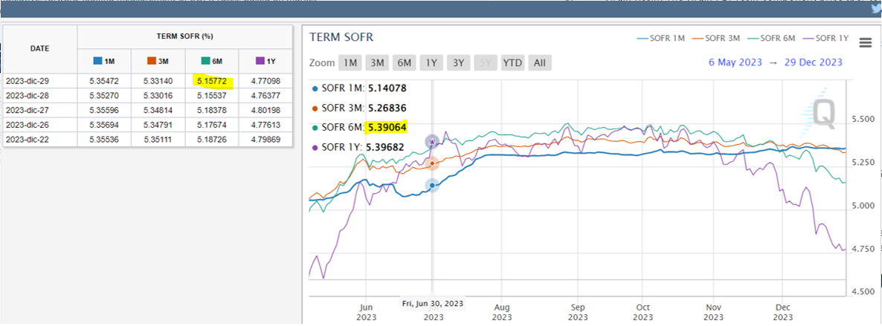
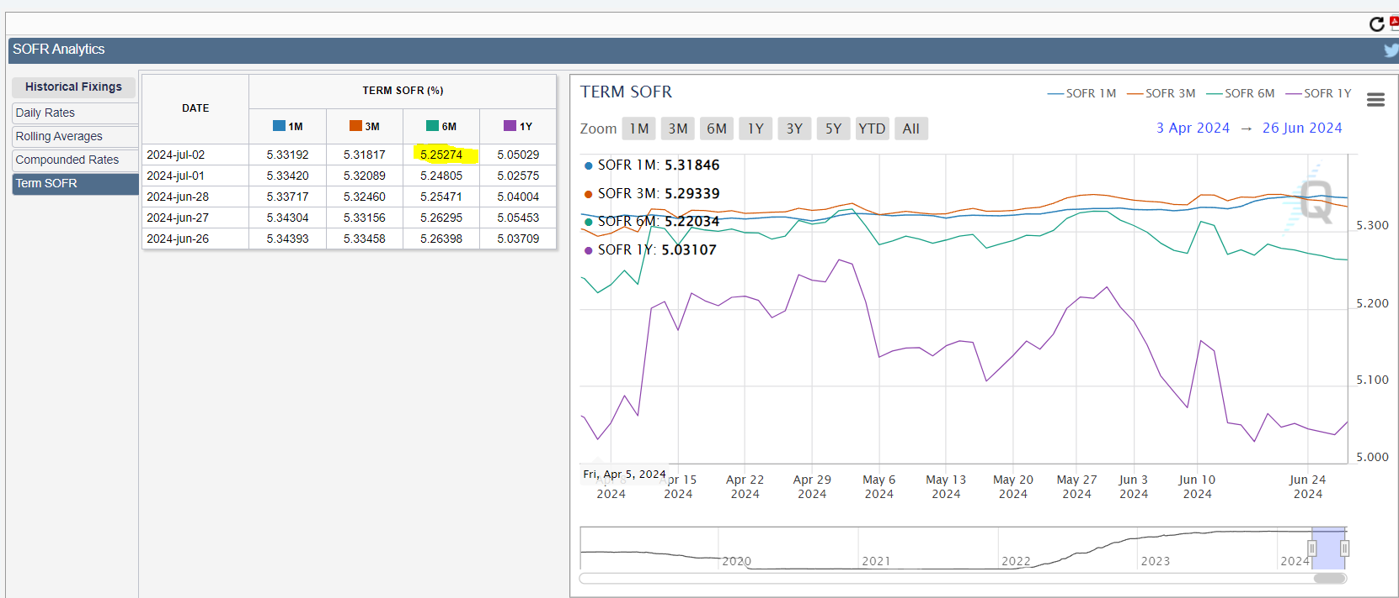
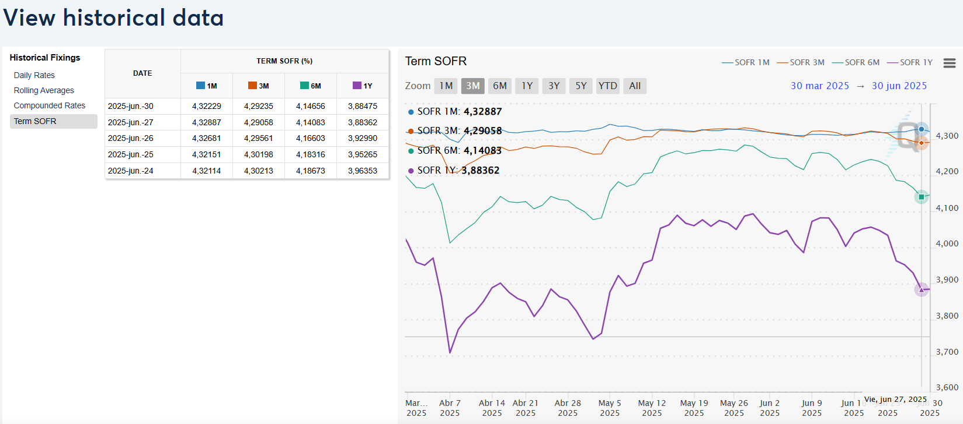
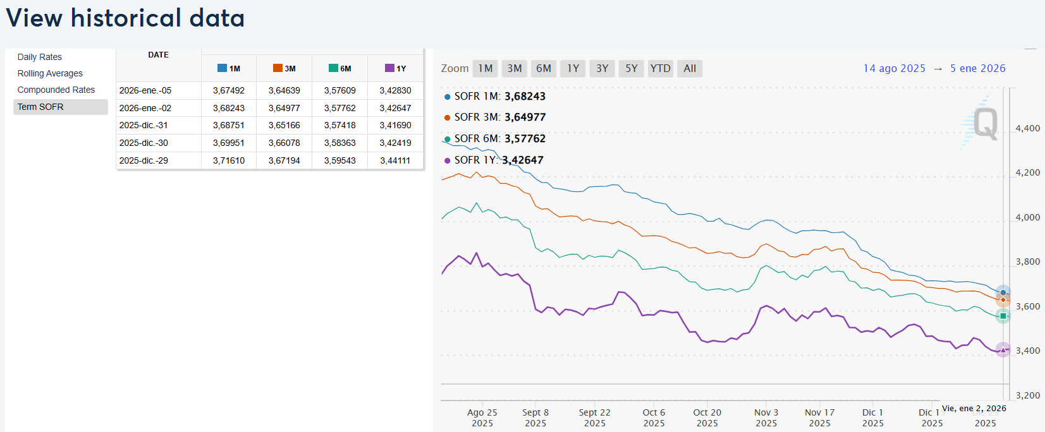
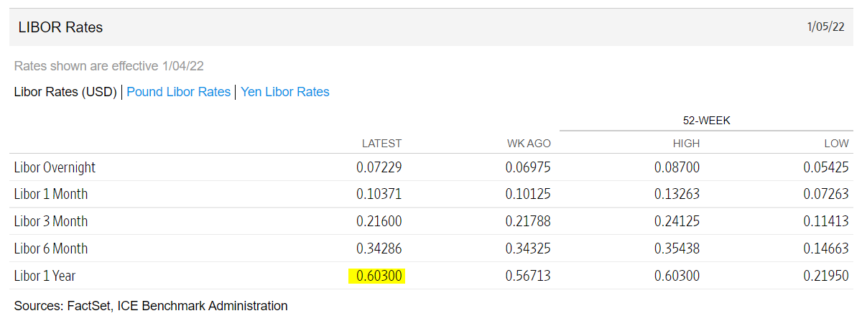
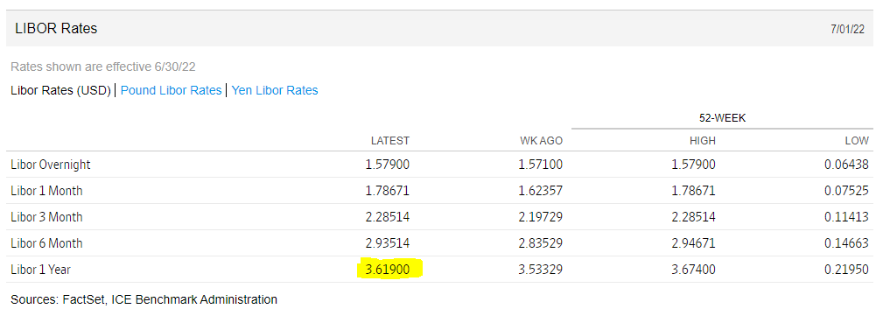
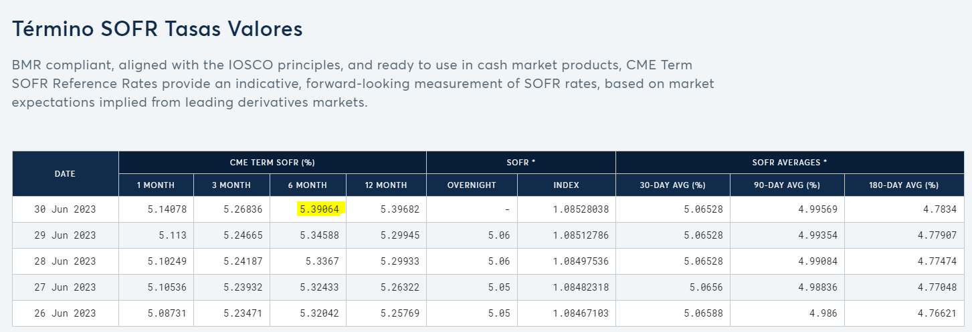
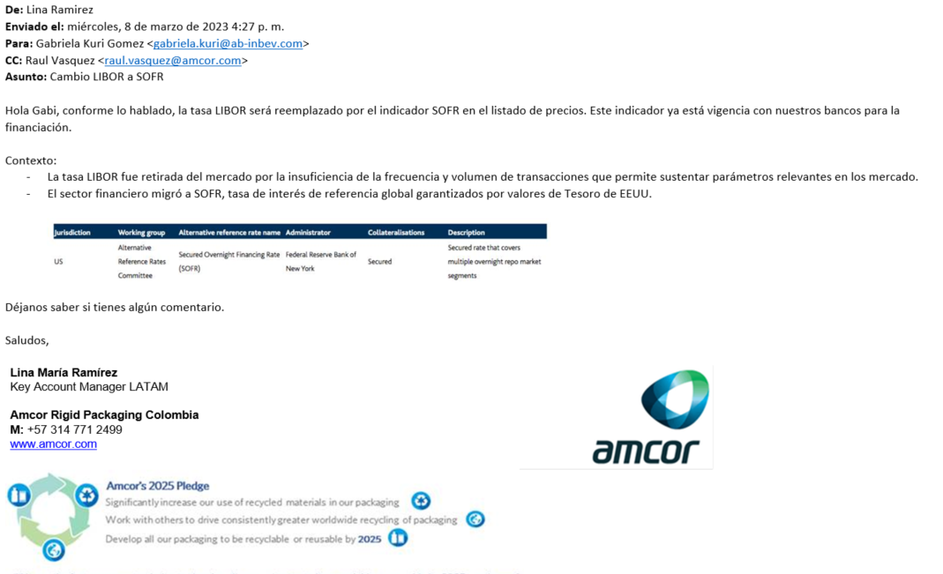
 |  | SOFR | Fórmula
 | 2-Jan-26 | 3.578% | 3.497%

CME WEB SITE 30/06/25

Soportes
Incremento Proyectado FY24 - FY25 | 10.30%


 |  |  |  | Fuente: | https://www.mintransporte.gov.co/publicaciones/11570/incrementa-el-valor-de-los-peajes-para-el-2024/#:~:text=Para%20normalizar%20el%20esquema%20tarifario,por%20las%20estaciones%20de%20peaje.
Gln Diesel a 2025 | $ 16,000 |  |  | resolución 20243040001125 | https://www.mintransporte.gov.co/loader.php?lServicio=Tools2&lTipo=descargas&lFuncion=descargar&idFile=34554
Dif | $ 6,935
Dif 1er año | $ 3,468
Var. 1er año | 38%

Rubro | Peso % | Alza Estimada | Alza Ponderada
Combustible | 40.20% | 0% | 0.00%
Peajes Ene | 11.82% | 13.12% | 1.55%
Peaje jun | 11.82% | 9% | 1.06%
Otros | 47.97% | 5.12% | 2.46%
Incremento Tarifas 2024 |  |  | 5.07%

 |  |  |  |  | Email Alpek Jun-25

